Print Sheet
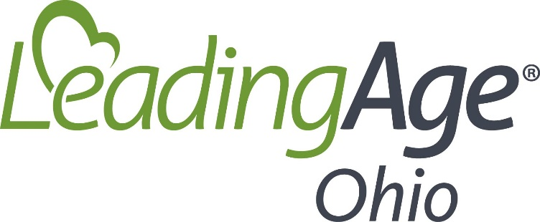

COVID 19 Stimulus Bill Facility Impact Calculator

Inputs

2019 annual amounts for:
Gross wages
State and Local payroll taxes
ER portion of Health Ins premiums
ER portion of Pension contributions
Mortgage interest paid
Rent paid
Utility payments

Summary

Program | Amount
SBA Loan Program | 0
Total Estimated Received | 0

To be paid back
SBA Loan Program | 0
Less SBA forgiveness estimate | 0 | loan forgiveness cannot exceed borrowed amount
Total repayment | 0

Net Increase from program | 0

Program Calculations

SBA Loan Program
Salary Expense | 0
State Unemployment Exp | 0
Health Ins Expense | 0
Pension Expense | 0
Total Payroll Costs | 0
Monthly Average Cost | 0
Monthly Avg x 2.5 | 0

SBA Loan Forgiveness
Total Payroll Costs | 0
Interest Expense | 0
Rent expense | 0
Utility Expenses | 0
total | 0
per month | 0
amount forgiven* | 0

*the first 8 weeks of certain expenses after loan closing are used to establish loan forgiveness amount
*Loan forgiveness amount cannot exceed amount borrowed.

