Print Sheet
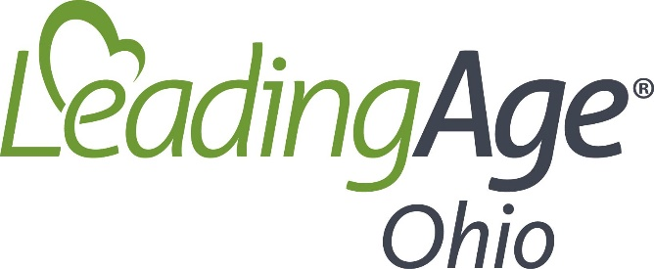

COVID-19 Stimulus Bill Facility Impact Calculator

Inputs

2019 annual amounts for:
Gross wages |  |  | Net Medicare Part A Revenue
State and Local payroll taxes
ER portion of Health Ins premiums
ER portion of Pension contributions
Mortgage interest paid
Rent paid
Utility payments

Summary

Program | Amount
SBA Loan Program | 0
Advanced Billings | 0
Sequestration Suspension | 0
Total Estimated Received | 0

To be paid back
SBA Loan Program | 0
Advanced Billings | 0
Less SBA forgiveness | 0 | loan forgiveness cannot exceed borrowed amount
Total repayment | 0

Net Increase from programs | 0

Program Calculations

SBA Loan Program |  |  |  | Advanced Billings
Salary Expense | 0 |  |  | Medicare Revenue | 0
State Unemployment Exp | 0 |  |  | Monthly Billings | 0
Health Ins Expense | 0 |  |  | Monthly * 3 months | 0
Pension Expense | 0
Total Payroll Costs | 0
Monthly Average Cost | 0
Monthly Avg*2.5 | 0 |  |  | SBA Loan Forgiveness
 |  |  |  | Total Payroll Costs | 0
Sequestration Suspension |  |  |  | Interest Expense | 0
Medicare Revenue | 0 |  |  | Rent expense | 0
Monthly realized Revenue | 0 |  |  | Utility Expenses | 0
Monthly Gross Revenue | 0 |  |  | total | 0
Sequester Reduction/month | 0 |  |  | per month | 0
8 months of suspension | 0 |  |  | amount forgiven* | 0

*the first 8 weeks of certain expenses after loan closing are used to establish loan forgiveness amount
*Loan forgiveness amount cannot exceed amount borrowed.

